Styledry accesoires
 | Brand | Artikelcode | EAN | Description | QTY | Retail
 | STYLEDRY | T7040 | 8720256347040 | shower cap - Stripe Me Tender | 700 | € 19.95
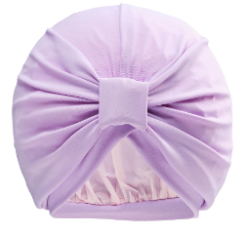 | STYLEDRY | T347354 | 8720256347354 | Shower cap French Lavender | 398 | € 19.95
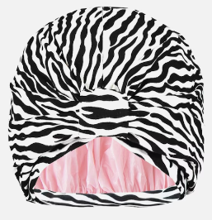 | STYLEDRY | T47163 | 8720256347163 | Shower cap - Dazzle of Zebras | 464 | € 19.95
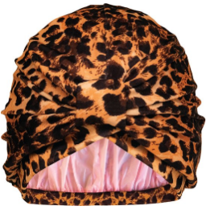 | STYLEDRY | T47088 | 8720256347088 | Shower cap - Safari State of Mind | 371 | € 19.95
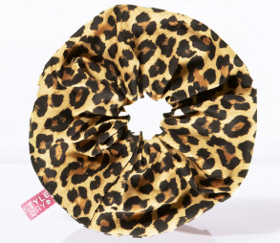 | STYLEDRY | TSD-SCR-001 | 8720256347187 | XXL Scrunchie - Safari State of Mind | 358 | € 9.95
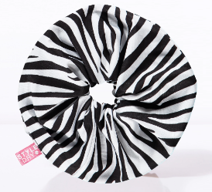 | STYLEDRY | TSD-SCR-002 | 8720256347217 | XXL Scrunchie - Dazzle of Zebras | 346 | € 9.95
 |  |  |  |  | 2637

